Dashboard
Fynancer - The Best Financer In Town
 | 2022-01-26
Generate PDF (All)
Done by:
Alex
Assets
Investments
Liabilities
Calculations
CPF
Ledger
Forecasts

Hello! Welcome to Fynancer.
You can start tracking your finances by clicking on one of the navigation bars or sheets.

About Us

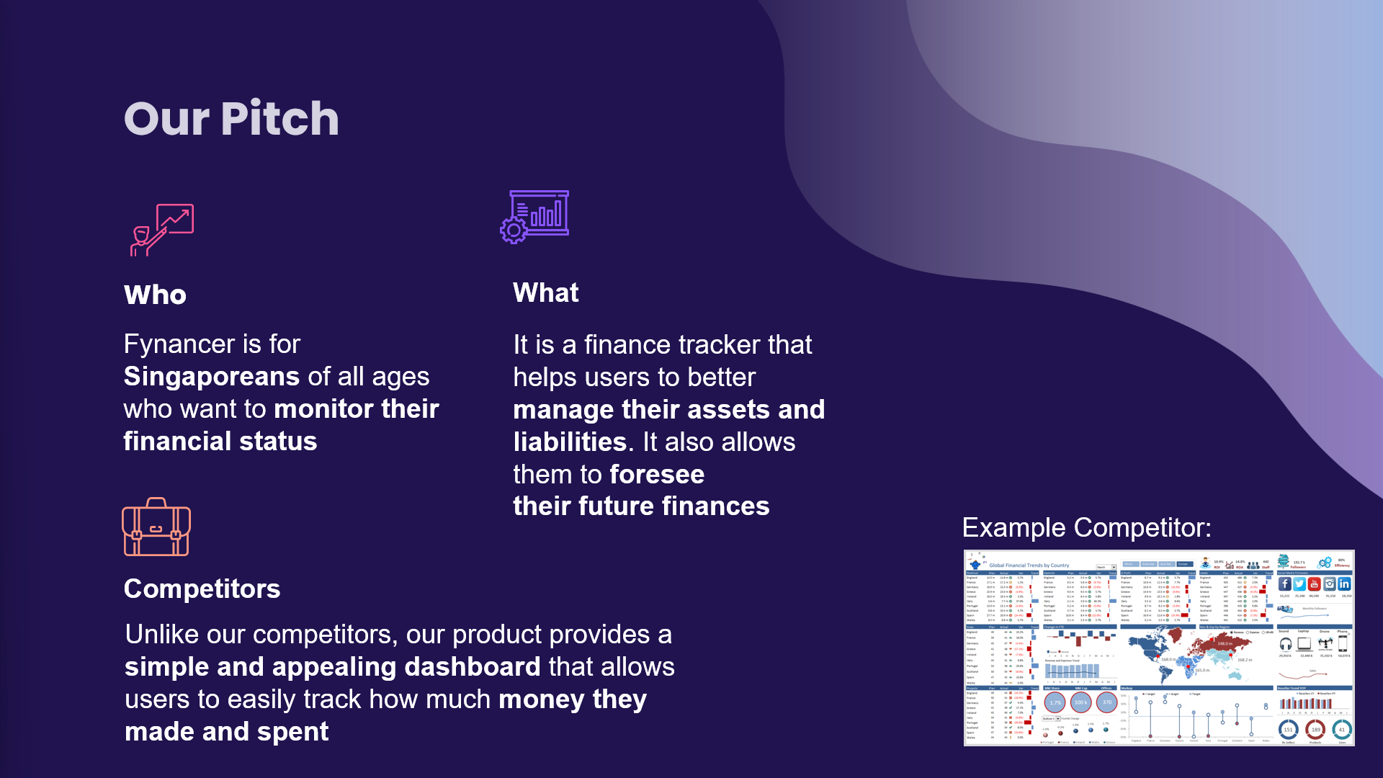
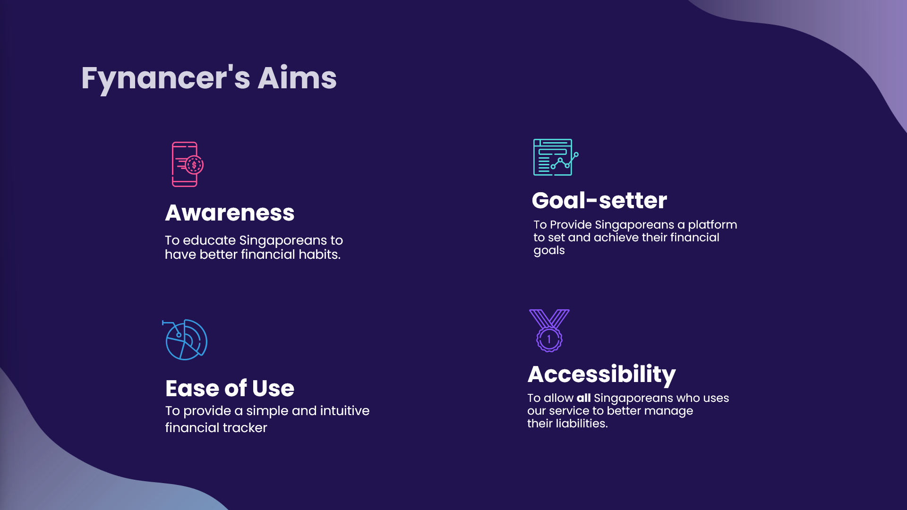

This Project was done by:


Alexander
Balqis
Lincoln
Tung Xuan

Assets
Back to Dashboard
Generate PDF
MY ASSETS
 |  |  | Fynancer 2021 |  |  | 2022-01-26

CLEAR
ADD NEW
CLEAR
ADD NEW
ADD NEW
CLEAR
ADD NEW
CLEAR
Done by:
Balqis

 | SALARY | VALUE | SUBSIDY | VALUE | INVESTMENTS | VALUE | OTHERS | VALUE
 | Job | 1500 | HealthCare | 500 | My Investment | 500 | Won game | 500
 | 2nd job | 1500 | SUBTOTAL | 500 | SUBTOTAL | 500 | SUBTOTAL | 500
 | SUBTOTAL | 3000

 |  |  |  |  |  |  |  |  | ASSETS | VALUES
 |  |  |  |  |  |  |  |  | SALARY | 3000
 |  |  |  |  |  |  |  |  | SUBSIDY | 500
 |  |  |  |  |  |  |  |  | INVESTMENTS | 500
TOTAL ASSETS |  |  |  |  |  |  |  |  | OTHERS | 500
$4,500

Liabilities
Back to Dashboard
Generate PDF
 | MY LIABILITIES
 |  |  |  | Fynancer 2021 |  |  |  |  | 2022-01-26

Done by:
Tung Xuan
 |  | EXPENSES |  |  |  |  |  | LOANS

ADD NEW
CLEAR
ADD NEW
CLEAR
ADD NEW
CLEAR
ADD NEW
CLEAR
ADD NEW
CLEAR

 |  | HOUSEHOLD EXPENSES | VALUE | UTILITIES EXPENSES | VALUE | RENTAL EXPENSES | VALUE | MORTGAGE LOANS | VALUE | BANK LOANS | VALUE
 |  | Food | 900 | Water | 100 | January | 5000 | Housing | 50000 | Loan | 30000
 |  | Groceries | 200 | Electricity | 200 | February | 1000 | SUBTOTAL | 50000 | SUBTOTAL | 30000
 |  | SUBTOTAL | 1100 | SUBTOTAL | 300 | March | 2000
 |  |  |  |  |  | SUBTOTAL | 8000

 | TOTAL LIABILITIES
 | $89,400

LIABILITIES | VALUE
HOUSEHOLD | 1100
UTILITIES | 300
RENTAL | 8000
MORTGAGE | 50000
BANK LOAN | 30000

Investments
MY INVESTMENTS
 |  |  |  | Fynancer 2021 |  |  | 2022-01-26 | Industry | MarketValue
 |  |  |  |  |  |  |  | Pharmaceuticals | 2550
Back to Dashboard
Done by:
Lincoln
 |  |  |  |  |  |  |  | Textiles & Apparel | 3576.75
 |  |  |  |  |  |  |  | Software & IT Services | 2544.45
 |  |  |  |  |  |  |  | Computers, Phones & Household Electronics | 2373.6
Generate PDF
Current Holdings |  |  |  |  |  | $1.3445▼
 |  |  | Total Market Value: | $21,739.69 | Total Gain/Loss: | 27.693
Stock | Units | Industry | Current Price | Market Value | Todays Change($) | Gain/loss
 | 2 | Pharmaceuticals | $1,275.00 | $2,550.00 | $150.00 | $2,350.00
 | 15 | Textiles & Apparel | $238.45 | $3,576.75 | $-29.25 | $2,076.75
 | 1 | Software & IT Services | $2,544.45 | $2,544.45 | $-71.63 | $444.45
 | 15 | Computers, Phones & Household Electronics | $158.24 | $2,373.60 | $-50.70 | $873.60
 | 15 | Miscellaneous Educational Service Providers | $0.16 | $2.40 | $- | -$1,497.60
 | 15 | Computers, Phones & Household Electronics | $54.92 | $823.73 | $-7.58 | -$676.28
 | 15 | Software & IT Services | $130.20 | $1,953.00 | $-75.00 | $453.00
 | 25 | Consumer Goods Conglomerates | $200.17 | $5,004.25 | $-107.00 | -$1,245.75
 | 15 | Computers, Phones & Household Electronics | $0.94 | $14.10 | $0.26 | -$1,485.90
 | 7 | Software & IT Services | $287.22 | $2,010.54 | $-64.05 | -$651.46
 | 15 | Beverages | $59.13 | $886.88 | $-12.52 | -$613.13

CLICK HERE TO AUTO REFRESH

Note:
After clicking, the page will refresh every 1 minute.

Calculations
Back to Dashboard
Generate PDF
Done by:
Alex,Tung Xuan
 | Calculations
 |  |  |  |  | Fynancer 2021 | 2022-01-26

Total Monthly Liabilities
Total Monthly Expenses
Total Monthly Loans
Net Worth
Total Monthly Assets
Cash Flow

Monthly Assets Trend
Total Monthly Assets

 | Total Monthly Assets
 | Months | Total |  |  |  |  | 2022
2022-01-01 | January | $1,000
2022-02-01 | February | $1,500
2022-03-01 | March | $2,200
2022-04-01 | April | $3,500
2022-05-01 | May | $2,700
2022-06-01 | June | $3,600
2022-07-01 | July | $3,300
2022-08-01 | August | $2,800
2022-09-01 | September | $1,500
2022-10-01 | October | $2,100
Extract Monthly Assets Chart
2022-11-01 | November | $2,100
2022-12-01 | December | $5,000 | Annual Total (Assets)
 | Total Annual Assets | $31,300 | $31,300

Monthly Liablities Trend
Total Monthly Liabilities

 | Total Monthly Liabilities
 | Months | Total
 | January | $500
 | February | $2,600
 | March | $1,200
 | April | $1,050
 | May | $750
 | June | $9,000
 | July | $1,000
 | August | $1,200
 | September | $1,350
 | October | $1,000
 | November | $1,000
Extract Monthly Liabilities Chart
 | December | $1,000
 | Total Annual Liabilities | $21,650 | Annual Total (Liabilities)
 |  |  | $21,650.00

Monthly Expenses Trend
Total Monthly Expenses

 | Total Monthly Expenses
 | Months | Total
 | January | $400
 | February | $600
 | March | $700
 | April | $650
 | May | $250
 | June | $350
 | July | $500
 | August | $600
 | September | $550
 | October | $500
 | November | $400
 | December | $500 | Annual Total (Expenses)
Extract Monthly Expenses Chart
 | Total Annual Expenses | $6,000 | $6,000.00

Monthly Loans Trend
Total Monthly Loans

 | Total Monthly Loans
 | Months | Total
 | January | $1,000
 | February | $2,000
 | March | $500
 | April | $400
 | May | $500
 | June | $350
 | July | $500
 | August | $600
 | September | $800
 | October | $500
 | November | $600
Extract Monthly Loans Chart
 | December | $500
 | Total Annual Loans | $8,250 | Annual Total (Loans)
 |  |  | $8,250.00

Monthly Net Worth
Net Worth

 | Net Worth |  |  | Calculations
 | Months | Net Worth |  | Minimum | -$5,400
$804 | January | $500 |  | Maximum | $4,000
$804 | February | -$1,100 |  | Average | $804
$804 | March | $1,000
Calculation Formula:
Total Assets - Total Liabilities
$804 | April | $2,450
$804 | May | $1,950
$804 | June | -$5,400
$804 | July | $2,300
$804 | August | $1,600
$804 | September | $150
$804 | October | $1,100
Extract Monthly Net Worth Chart
$804 | November | $1,100
$804 | December | $4,000
 | Annual Net Worth | $9,650

Cash Flow

 | Cash Flow |  |  | Cash Flow Amount
 | Description | Amount |  | -$86,400.00
 | Total Net Income | $3,000
 | Total Liabilities | $89,400
 | Cash Flow | -$86,400

Back to Top

CPF
Back to Dashboard
Generate PDF
Done by:
Balqis, Lincoln
MY CPF/SAVINGS
 |  |  | Fynancer 2021 |  |  |  |  | 2022-01-26

Your Birthday: | 1999-10-03 |  |  |  |  | *INPUT DD/MM/YYYY

Your Age: | 22

CPF BREAKDOWN TABLE |  |  |  |  |  |  |  |  | SAVING GOAL SETTER
EXPENSES |  |  |  |  | CONTRIBUTION RATE |  |  |  | PERCENTAGE | AMOUNT

ORDINARY ACC | SPECIAL ACC |  | MEDISAVE ACC |  | EMPLOYEE |  | EMPLOYER |  | 40% | $1,800
690 | 180 |  | 240 |  | 600 |  | 510

CURRENT SALARY |  | SALARY AFTER CPF |  |  | TOTAL CPF AMOUNT |  |  |  | IN 2022, I HAVE SAVED :
3000 |  | 2400 |  |  | 600 |  |  |  | $200

 |  |  |  |  |  |  |  |  | IN THE NEXT FEW MONTHS, YOU NEED TO SAVE:
 |  |  |  |  |  |  |  |  | $1,600

Savings |  |  |  | Assuming you save all the remaining money you have
Dates | Values |  |  |  |  |  |  |  | Ordinary Account
2022-01-01 | $500 |  |  |  |  |  |  |  | -It has a current intrest rate of 2.5%
2022-02-01 | -$1,100 |  |  |  |  |  |  |  | Can be using for retirement,higher education and investment. Anything left will go into Retirement Account.
2022-03-01 | $1,000
2022-04-01 | $2,450
2022-05-01 | $1,950 |  |  |  |  |  |  |  | Special Account
2022-06-01 | -$5,400 |  |  |  |  |  |  |  | -It has a current intrest rate of 4%
2022-07-01 | $2,300 |  |  |  |  |  |  |  | Money is to be saved in Retirement Account. But, you can invest your SA savings after setting aside $40,000.
2022-08-01 | $1,600
2022-09-01 | $150
2022-10-01 | $1,100 |  |  |  |  |  |  |  | Medisave Account
2022-11-01 | $1,100 |  |  |  |  |  |  |  | -It has a current intrest rate of 4%
2022-12-01 | $4,000 |  |  |  |  |  |  |  | To pay for hospitalisation, other approved medical expenses and for MediShield / Integrated Shield plans.
Total savings | $9,650

Ledger
Done by:
Lincoln
Back to Dashboard
Ledger
 |  |  |  | Fynancer 2021

Generate PDF
Stock | Transaction | Units | Price | Currency | Transaction Amount
 | Buy | 10 | 326.00 | USD | $3,260.00
 | Buy | 2 | 326.00 | USD | $652.00
 | Buy | 1 | 2,100.00 | USD | $2,100.00
 | Buy | 2 | 100.00 | USD | $200.00
 | Buy | 25 | 250.00 | USD | $6,250.00
 | Sell | -5 | 250.00 | USD | -$1,250.00
 | buy | 15 | 100.00 | usd | $1,500.00
 | Buy | 15 | 100.00 | usd | $1,500.00
 | Buy | 15 | 100.00 | usd | $1,500.00
 | Buy | 15 | 100.00 | usd | $1,500.00
 | Buy | 15 | 100.00 | usd | $1,500.00
 | Buy | 15 | 100.00 | usd | $1,500.00
 | Buy | 15 | 100.00 | usd | $1,500.00

Forecasts
Back to Dashboard
Generate PDF
Forecasts
 |  | Fynancer 2021 | 2022-01-26

Done by:
Balqis, Tung Xuan, Lincoln
 | 2023 ASSETS

PREDICTION VS AVERAGE
1/1/2023 | $4,821 | $5,454 | $4,821 | $5,454 | $4,821 | $5,454
2/1/2023 | $4,511 | $5,454 | $4,511 | $5,454 | $4,511 | $5,454
3/1/2023 | $5,367 | $5,454 | $5,367 | $5,454 | $5,367 | $5,454
4/1/2023 | $5,190 | $5,454 | $5,190 | $5,454 | $5,190 | $5,454
5/1/2023 | $4,881 | $5,454 | $4,881 | $5,454 | $4,881 | $5,454
6/1/2023 | $5,737 | $5,454 | $5,737 | $5,454 | $5,737 | $5,454
7/1/2023 | $5,560 | $5,454 | $5,560 | $5,454 | $5,560 | $5,454
8/1/2023 | $5,251 | $5,454 | $5,251 | $5,454 | $5,251 | $5,454
9/1/2023 | $6,107 | $5,454 | $6,107 | $5,454 | $6,107 | $5,454
10/1/2023 | $5,930 | $5,454 | $5,930 | $5,454 | $5,930 | $5,454
11/1/2023 | $5,620 | $5,454 | $5,620 | $5,454 | $5,620 | $5,454
12/1/2023 | $6,477 | $5,454 | $6,477 | $5,454 | $6,477 | $5,454
 |  |  |  | You make on average:

 |  |  |  | 2022 | 2023
 |  |  |  | $2,608.33 | $5,454.38
 |  |  |  | Status:

 |  |  |  | Excellent

 | 2023 LIABILITIES

PREDICTION VS AVERAGE
1/1/2023 | $484 | $705
2/1/2023 | $1,310 | $705
3/1/2023 | $796 | $705
4/1/2023 | $378 | $705
5/1/2023 | $1,204 | $705
6/1/2023 | $691 | $705
7/1/2023 | $273 | $705
8/1/2023 | $1,099 | $705
9/1/2023 | $586 | $705
10/1/2023 | $168 | $705
11/1/2023 | $993 | $705
12/1/2023 | $480 | $705
 |  |  |  | Your Average Liabilities:

 |  |  |  | 2022 | 2023
 |  |  |  | $1,137.50 | $705.17
 |  |  |  | Status:

 |  |  |  | Excellent

 | 2023 Savings Prediction

PREDICTION VS AVERAGE
1/1/2023 | $4,381 | $5,919
2/1/2023 | $3,175 | $5,919
3/1/2023 | $2,759 | $5,919
4/1/2023 | $5,073 | $5,919
5/1/2023 | $6,146 | $5,919
6/1/2023 | $4,337 | $5,919
7/1/2023 | $8,023 | $5,919
8/1/2023 | $6,817 | $5,919
9/1/2023 | $7,304 | $5,919
10/1/2023 | $7,253 | $5,919
11/1/2023 | $6,358 | $5,919
12/1/2023 | $9,401 | $5,919

 |  |  |  | You make on average:

 |  |  |  | 2022 | 2023
 |  |  |  | $804.17 | $5,918.90
 |  |  |  | Status:

 |  |  |  | Excellent

